US5
 | Test Scenarios for SimpCity
 | Test Cases Creation |  |  | System Testing (TDA) |  |  | User Acceptance Testing |  | Team
 | User Stories: | US20 - As a user, I want to be able to go back to the main menu after I have ended the game. |  | Version Control: | V1 |  | Version Control: | V1 | Scrum Master: | Megan Png
 | Created By: | Hui Ying |  | Tester: |  |  | User: |  | Tech Lead: | Claris
 | Dated as of: | 15-Dec-21 |  | Test Date: |  |  | UAT Date: |  | QA: | Hui Ying
 | Status: | In Progress |  | Status: | Pending |  | Status: | Pending | Developer: | Amanda Chan
 | Reviwed By: |  |  | Reviwed By: |  |  | Reviwed By:
 | Tech Lead | <Signature> |  | Scrum Master | <Signature> |  | Scrum Master: | <Signature>
 | Scrum Master | <Signature> |  |  |  |  | Tech Lead: | <Signature>
 |  |  |  |  |  |  | QA: | <Signature>
 | condition to test Start New Game Feautre | steps
S/NO | Test Scenario | Test Scenario Description | Test Values | Expected Outcome | Boundary? Equivalence? | Functional? Non-Functional? | Pass/ Fail | Actual Outcome | Test Result (Pass / Fail) | Remarks
1 | The number "1" is inputted by the user | 1. The user enters an option value of the numeric interger "1" when the message "Your Choice?" prompted | Before: Start New Game option is selected After: Your Choice? 1 | The message "Build where?" will be displayed to prompt the users to enter the location of the selected building to be placed | Equivalence | Functional | Pass
2 | The number "2" is inputted by the user | 1. The user enters an option value of the numeric interger "2" when the message "Your Choice?" prompted | Before: Start New Game option is selected After: Your Choice? 2 | The message "Build where?" will be displayed to prompt the users to enter the location of the selected building to be placed | Equivalence | Functional | Pass
3 | The number "3" is inputted by the user | 1. The user enters an option value of the numeric interger "3" when the message "Your Choice?" prompted | Before: Start New Game option is selected After: Your Choice? 3 | Remanining buildings available for the users to select is displayed to the users. | Equivalence | Functional | Pass
4 | The number "4" is inputted by the user | 1. The user enters an option value of the numeric interger "4" when the message "Your Choice?" prompted | Before: Start New Game option is selected After: Your Choice? 4 | The computation of score accmulated for each building and the current "Total Score: " is displayed to the users | Equivalence | Functional | Pass
5 | The number "5" is inputted by the user | 1. The user enters an option value of the numeric interger "5" when the message "Your Choice?" prompted | Before: Start New Game option is selected After: Your Choice? 5 | A verification message "Game saved" is displayed to indicate that the game was saved sucessfully | Equivalence | Functional | Fail
6 | The number "0" is inputted by the user | 1. The user enters an option value of the numeric interger "0" when the message "Your Choice?" is prompted | Before: Start New Game option is selected After: Your Choice? 0 | The user return to the main menu | Equivalence | Functional | Pass
7 | The number "0" to "5" is not inputted by the user | 1. The user enters an option value that is not a numeric interger of "0" to "5" when prompted | Before: Start New Game option is selected After: [Any value expect "0" to "5"" | An error message will be displayed to remind the users only number "0" to "5" will be accepted and the message "Build where?" will not be prompted. | Equivalence | Functional | Pass
8 | The number from "0" to "5" is not inputted by the user, then the user try again with the number "2", then with value from "3" to "5" or "0" | 1. The user enters an option value that is not a numeric interger of "0" to "5" when prompted 2. The user enters "0" to exit to the main menu 3. The user enters an option value of the numeric interger "2" when the message "Your Choice?" is prompted 4.2. The user enters "0" to exit to the main menu 5. The users enter an option value of the numeric integer from "3" to "5" or "0" | Before: | Start New Game option is selected |  | Functional |  |  |  |  | 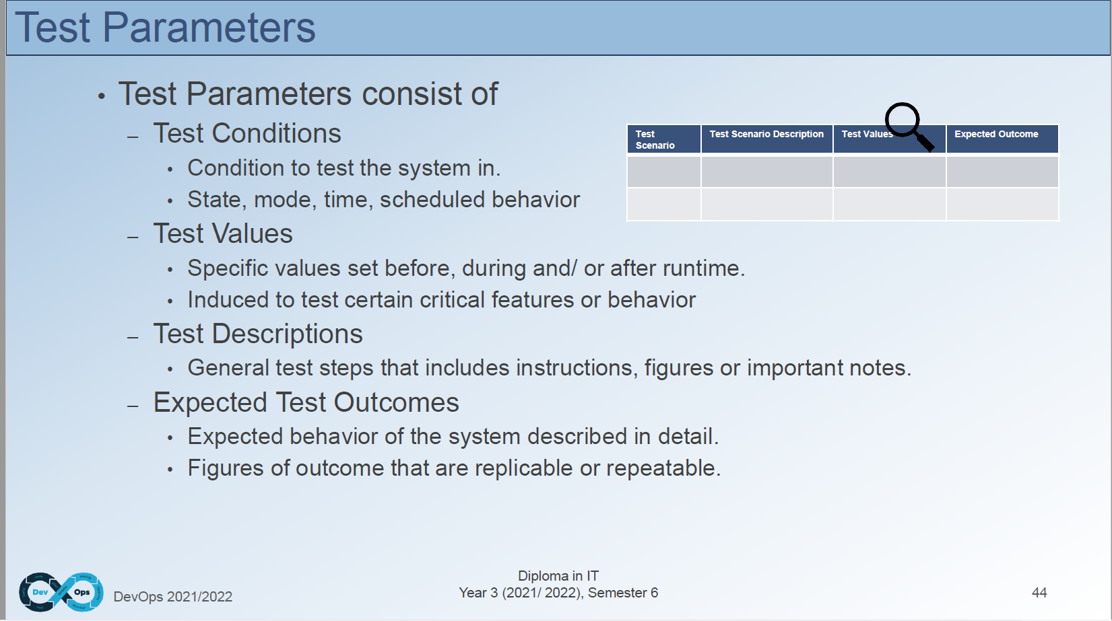 | test failing is like for error message like you expect it to appear, out of bound, go the right position
 |  |  | After: 1. Value from "3" to "5" or "0". | 1. The system shall process each option value from the menu as accordance. | Boundary |  | Pass
 |  |  | After: 2. Nominal value: 2 | 2. The message "Build where?" shall be displayed to prompt the users to enter the location of the selected building to be placed |  |  | Pass
 |  |  | After: 3. [Any value expect "0" to "5"" | 3. The system shall display an error message shall be displayed to remind the users only number "0" to "5" will be accepted. |  |  | Fail

